Exercise 6 - Modulzarization
System : |  | S4J

Exercise 1: |  | Modulize your program

 | Step 1 : Copy your Program of Exercise Topic 05 - Internal Tble
 | Bước 1: Copy chương trình của phần 5 - internal table ra program mới

 | Step 2 : Modularize your source code using Subroutine
 | Bước 2: Mô đun hoá chương trình mới bằng subroutine

 | Step 3 : Check the source code and make sure you follow below Coding covnention
 | Bước 3: Kiểm tra code xem có giống convention bên dưới chưa, nếu chưa thì sửa lại

 | Step 4 : Take screenshot of every subroutine
 | Bước 4: Chụp lại hình từng xử lý đã mô đun hoá xong

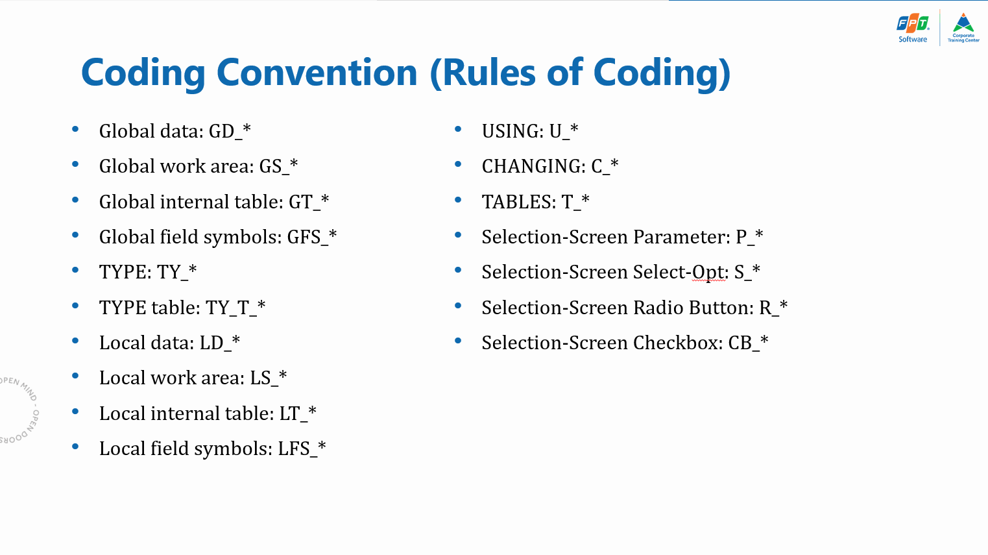

Exercise 2: |  | Recursion

 | 1. Research what Recursion is in programming
 |  | https://afteracademy.com/blog/what-is-recursion-in-programming
 |  | *** For vietnamese material please check Google

 | 2. Use Recursion to solve Fibonacci problem in Topic 2, instead of using LOOP

 | 3. Recursion can make your program run forever. Please check careful that you can exit the Recursion. And DEBUG in your first run

 | 4. Trường hợp vướn phải vòng lặp vô hạn hoặc xử lý không thể kết thúc, sử dụng tcode SM50 để tắt cưỡng bức (End Process) hoặc thông báo Senior trong nhóm

Exercise 3: |  | Experience on USING and CHANGING

 | For this exercise, you should Read the help from command FORM completely.
 | Then, write an executable program that has a routine that receives 4 global variables and change their value.
 | Each variable will be received in a different way: 2 of them using the addition USING and the other 2 using the addition CHANGING from the FORM command.
 | For each pair use and omit the adding VALUE.

 | Print the contents of all global variables before the routine is called, at the beginning of the routine, at the end of the routine (after all values are changed) and after the PERFORM statement.

Exercise 4: |  | Mini Program - Users Report

 | Write an executable program that contains 2 routines that prints all usernames in the system. (Check table USR04 and its content in transaction SE11, SE16 or SE16N).
 |  | 1. First Routine: Get data from USR04
 |  | 2. Second Routine: Print all the data

Ex Topic 5 - ITable
System : |  | S4J

Exercise 1:

 | Target Table: |  | SPFLI | Flight schedule
 |  |  | SLFIGHT | Flight Information
 |  |  | T005T | Country Name
 |  |  | SCARR | Airline

 | Selection Screen:
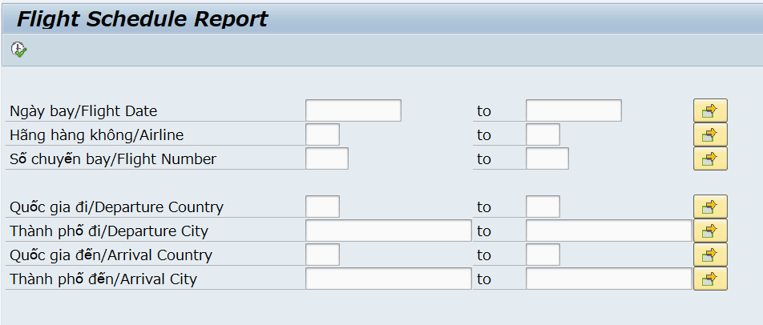

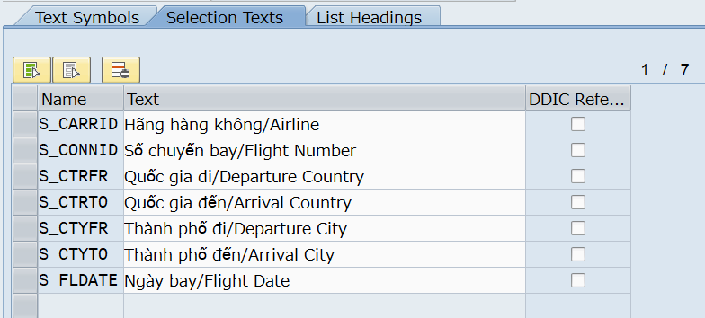

 | Report Output:
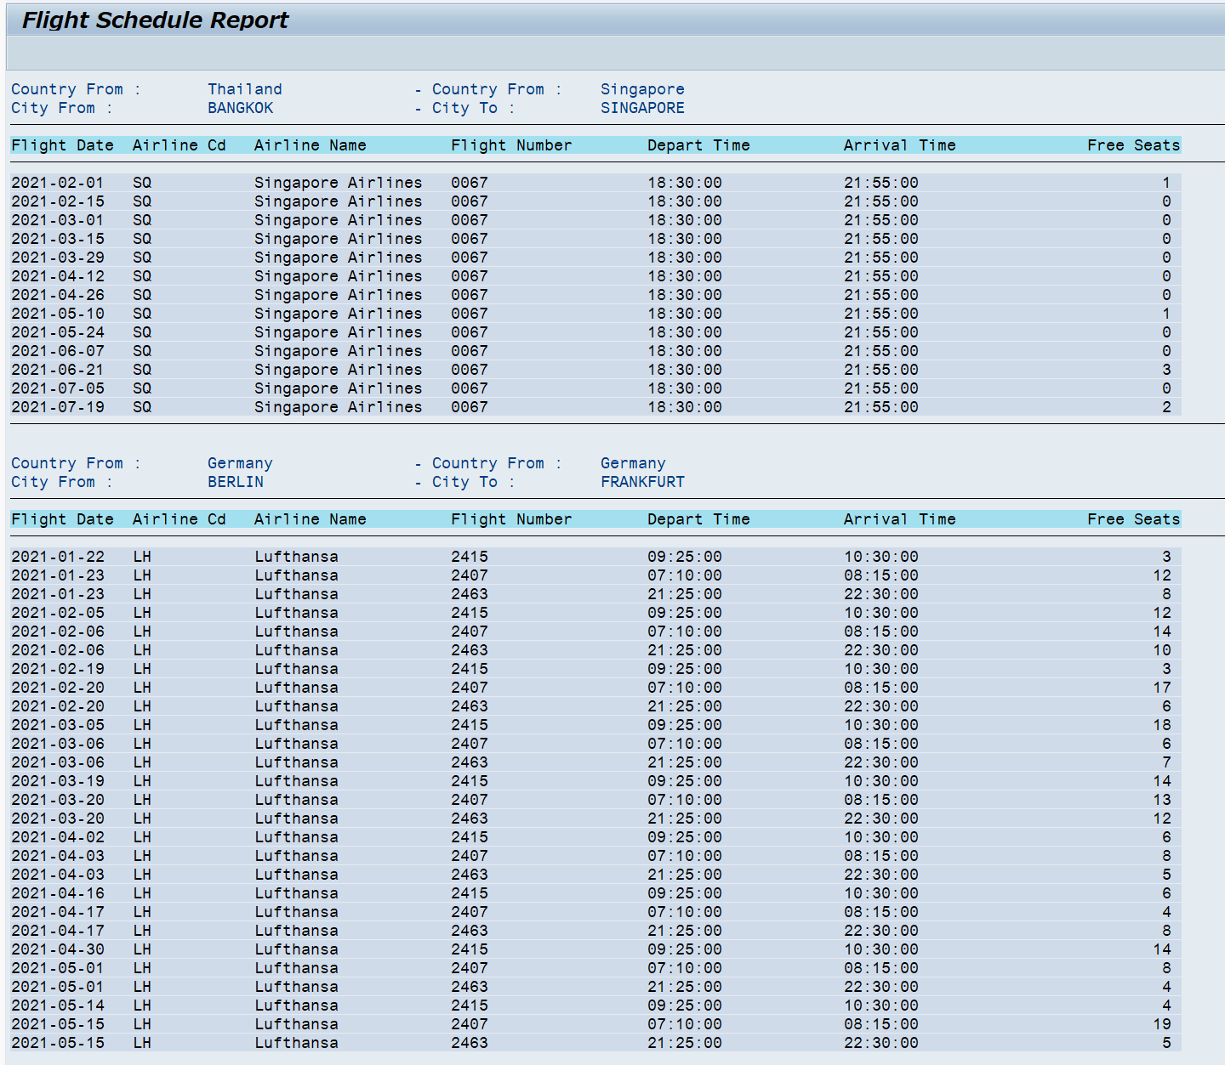

 | *** You can check the Technical design for program outline

Evidence
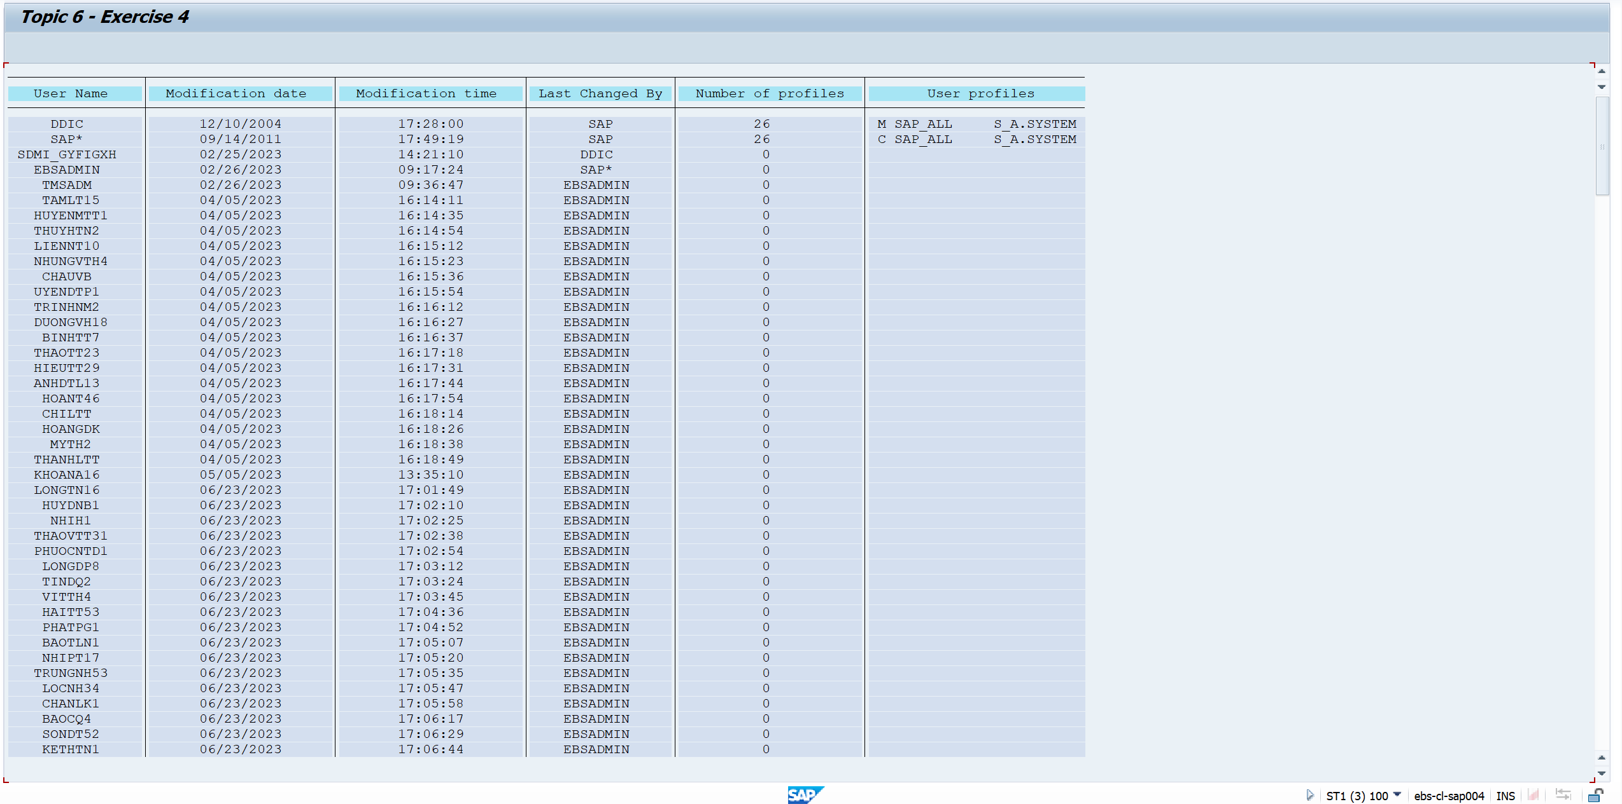
Exercise/Remarks |  | Screenshots

Exercise 1 |  | Program Name: |  | YANNP7_D06_EX01

 |  |  | <subroutines screenshot>

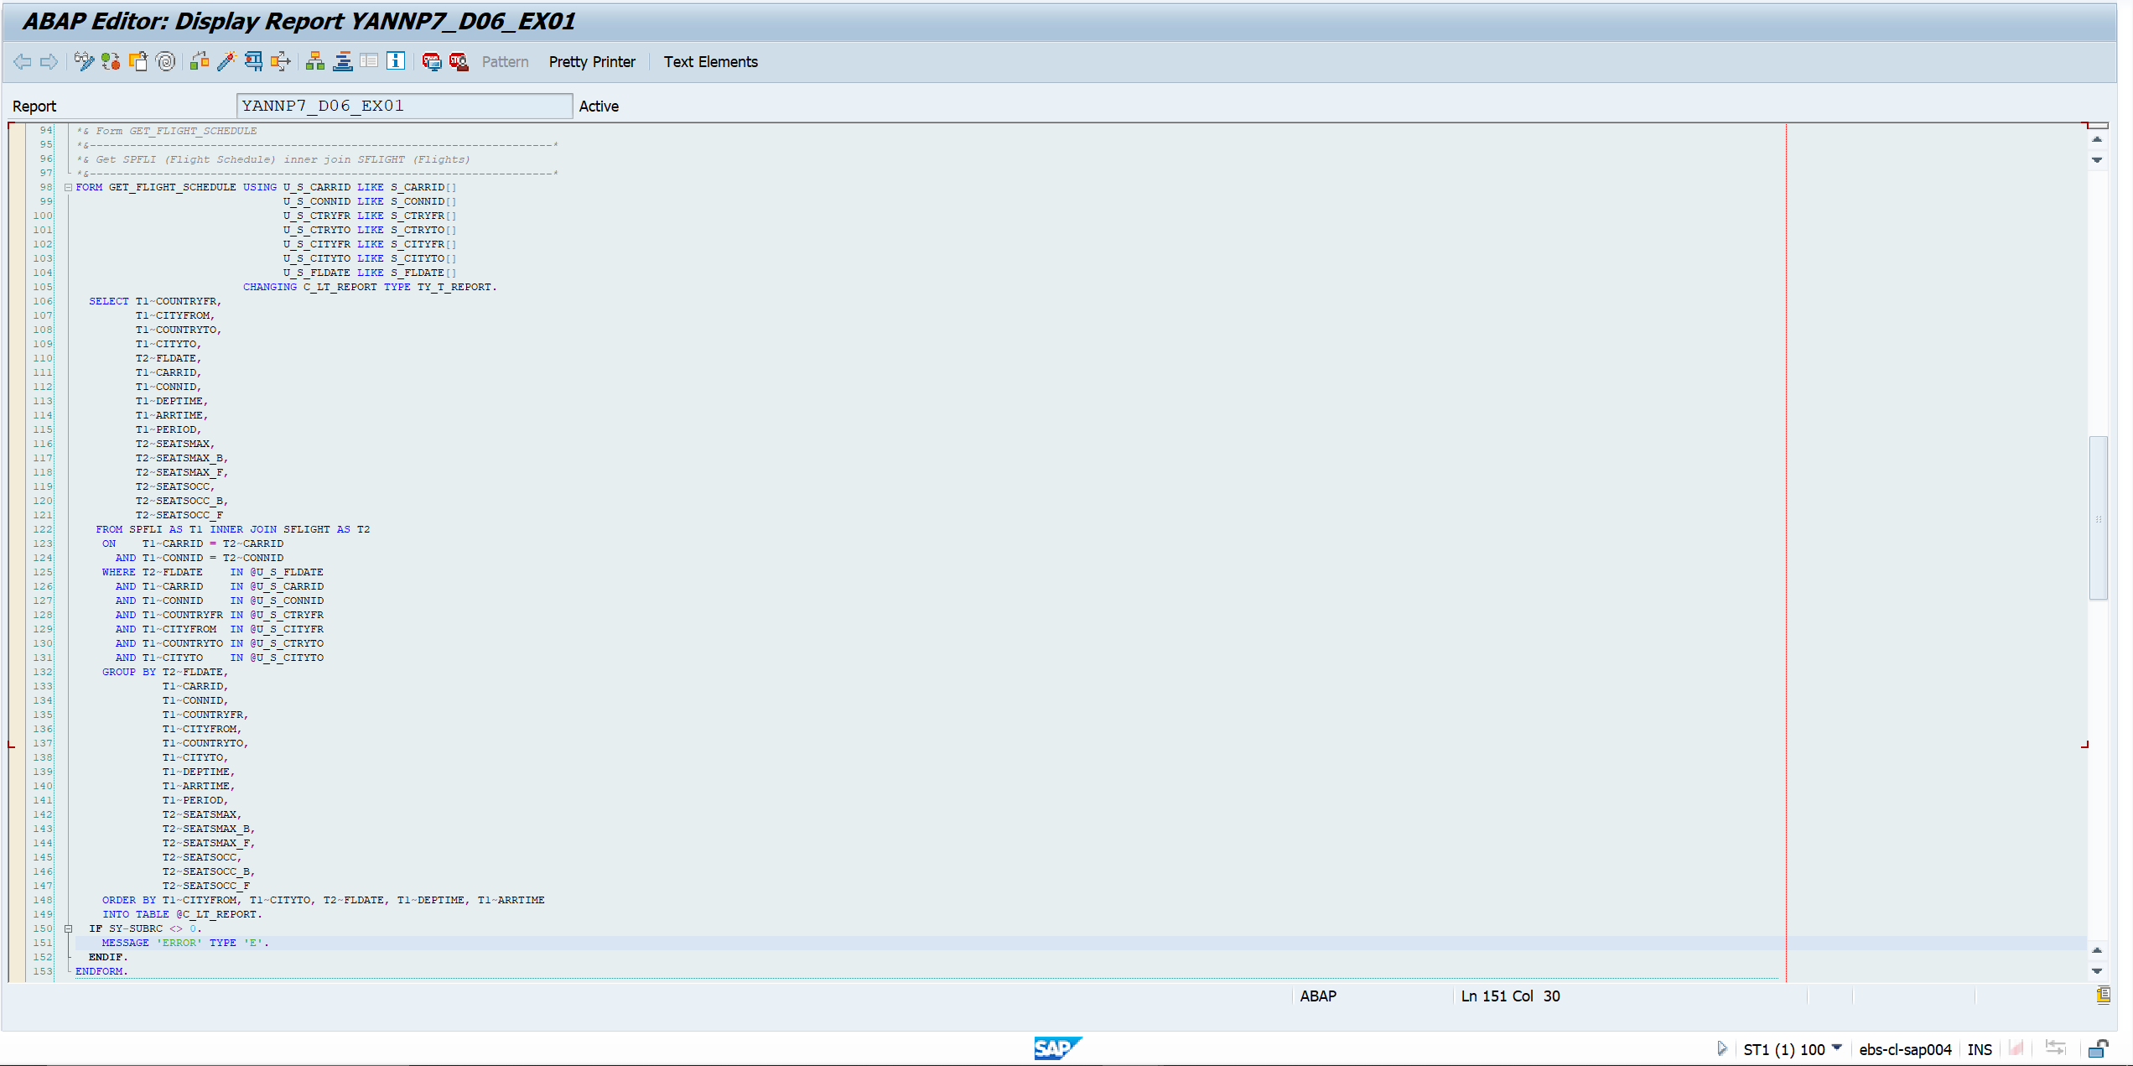
 |  |  | Get Flight Schedule subroutine

 |  |  | Get Country name/code subroutine & Get Table SCARR subroutine
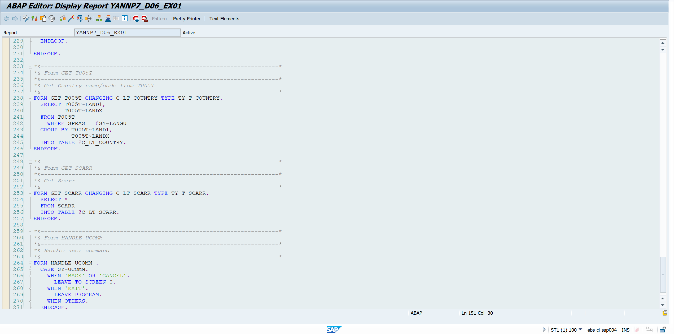

 |  |  | Write report subroutine
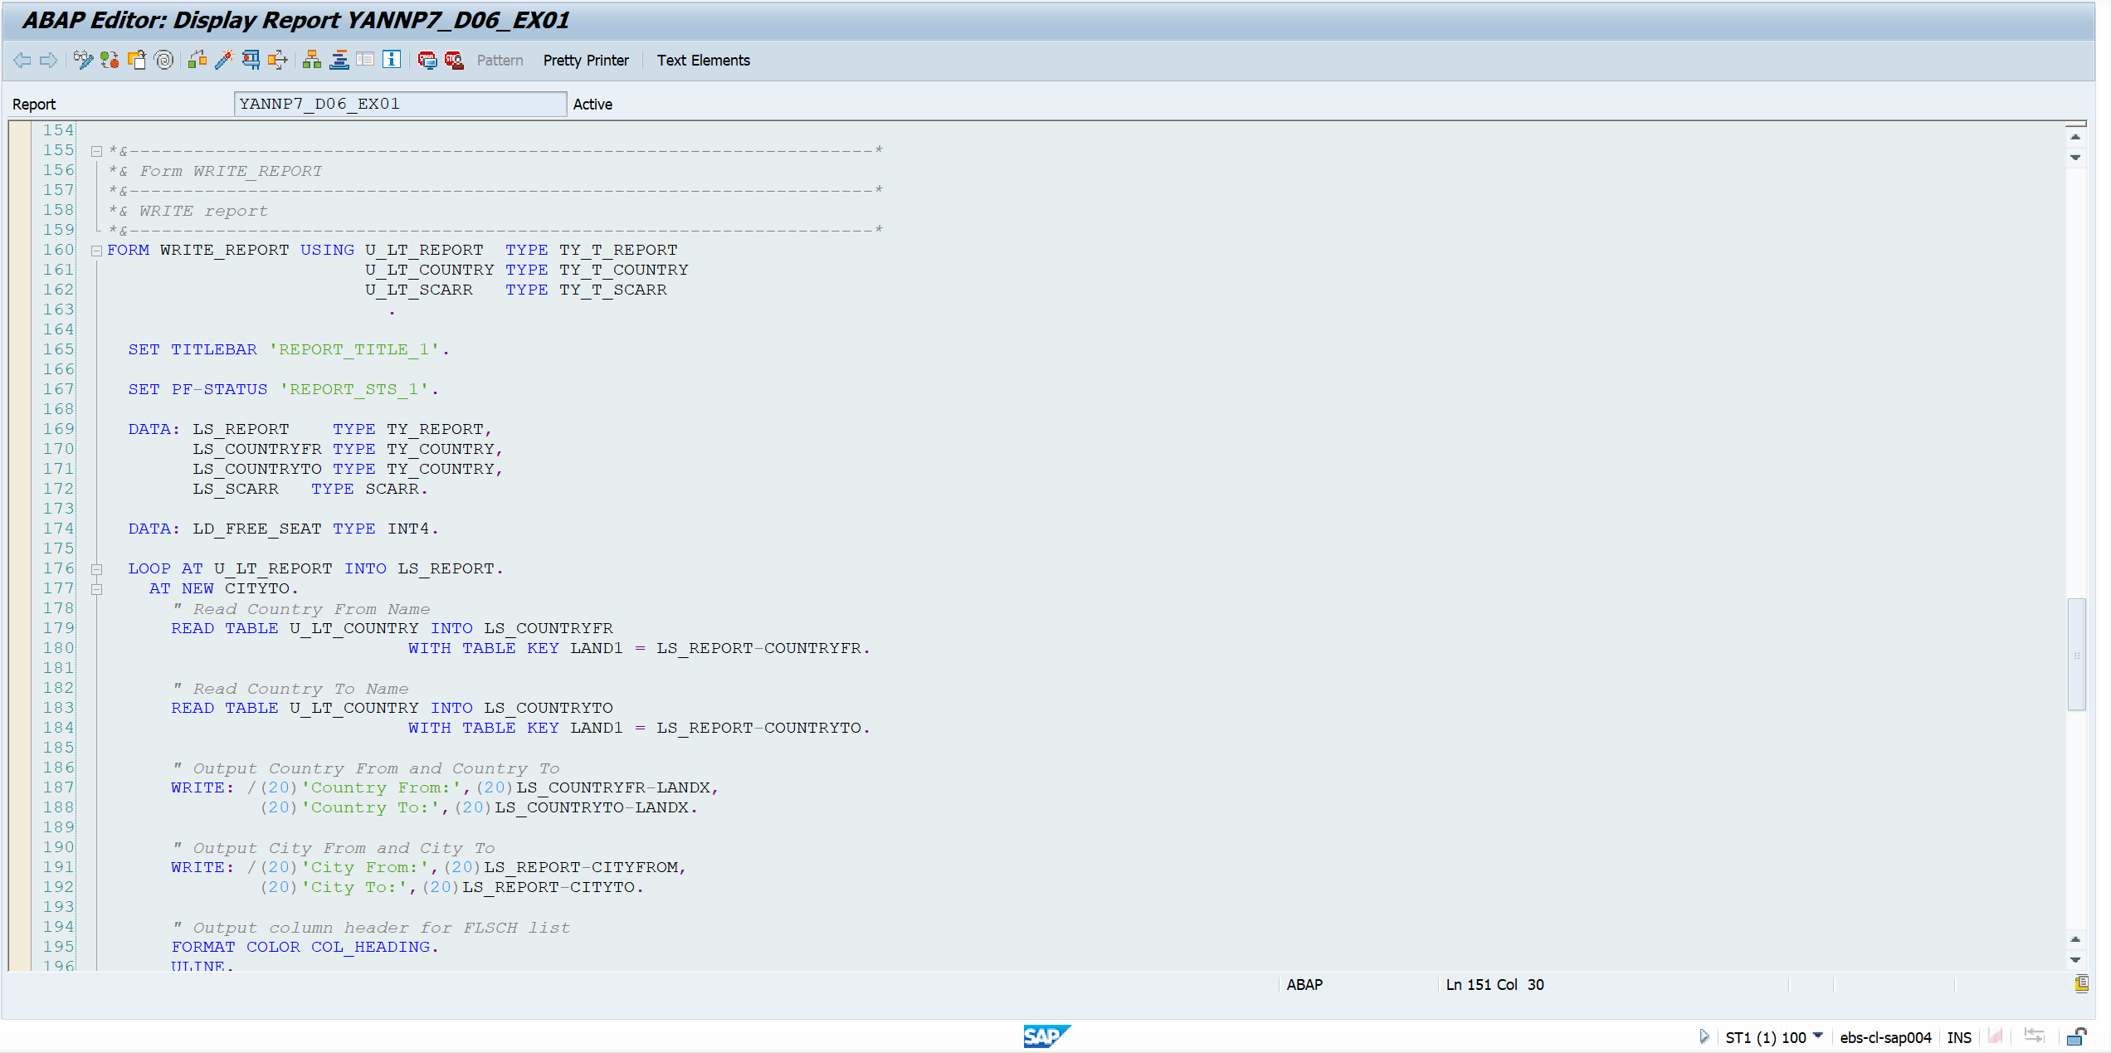

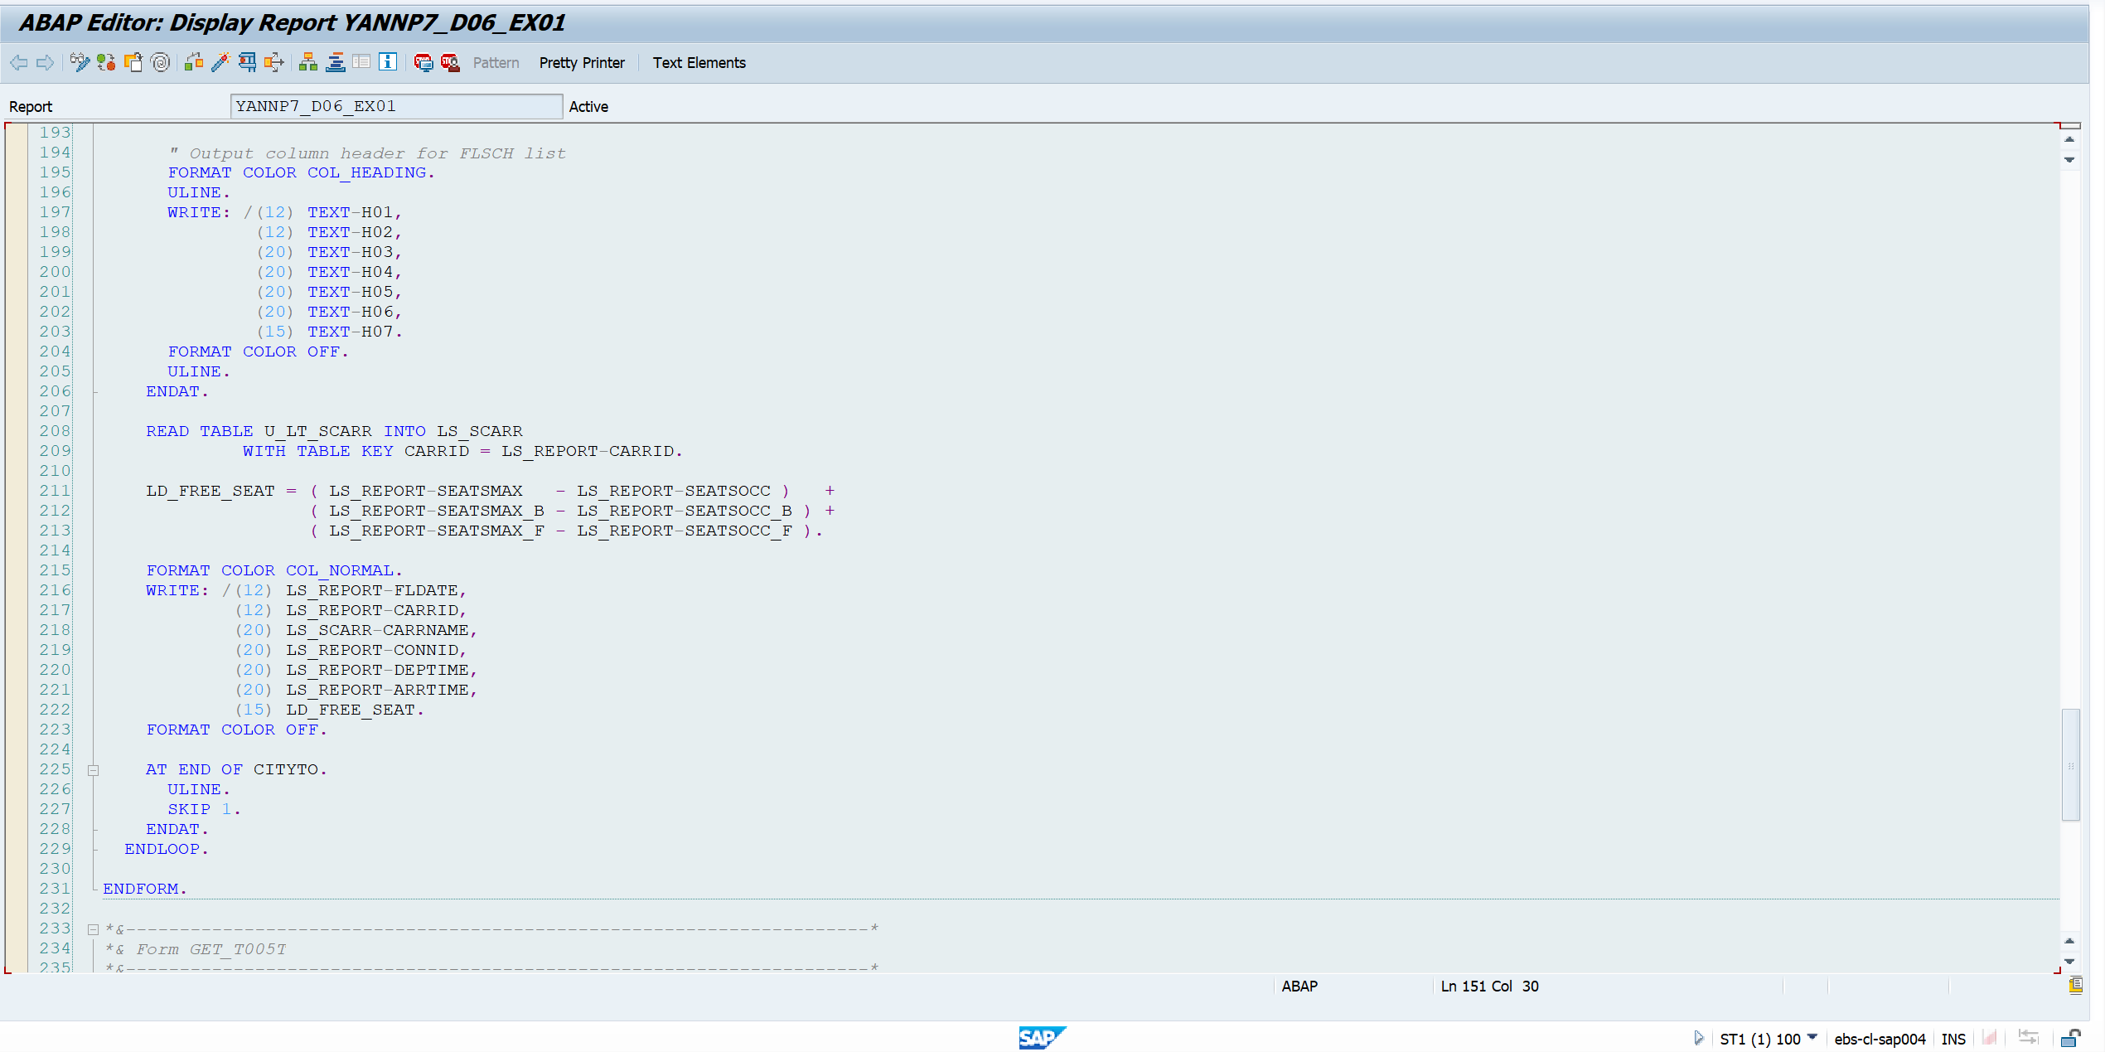

 |  |  | <output screenshot>
 |  |  | Case 1: No Input

 |  | 
 |  |  | Output

 | 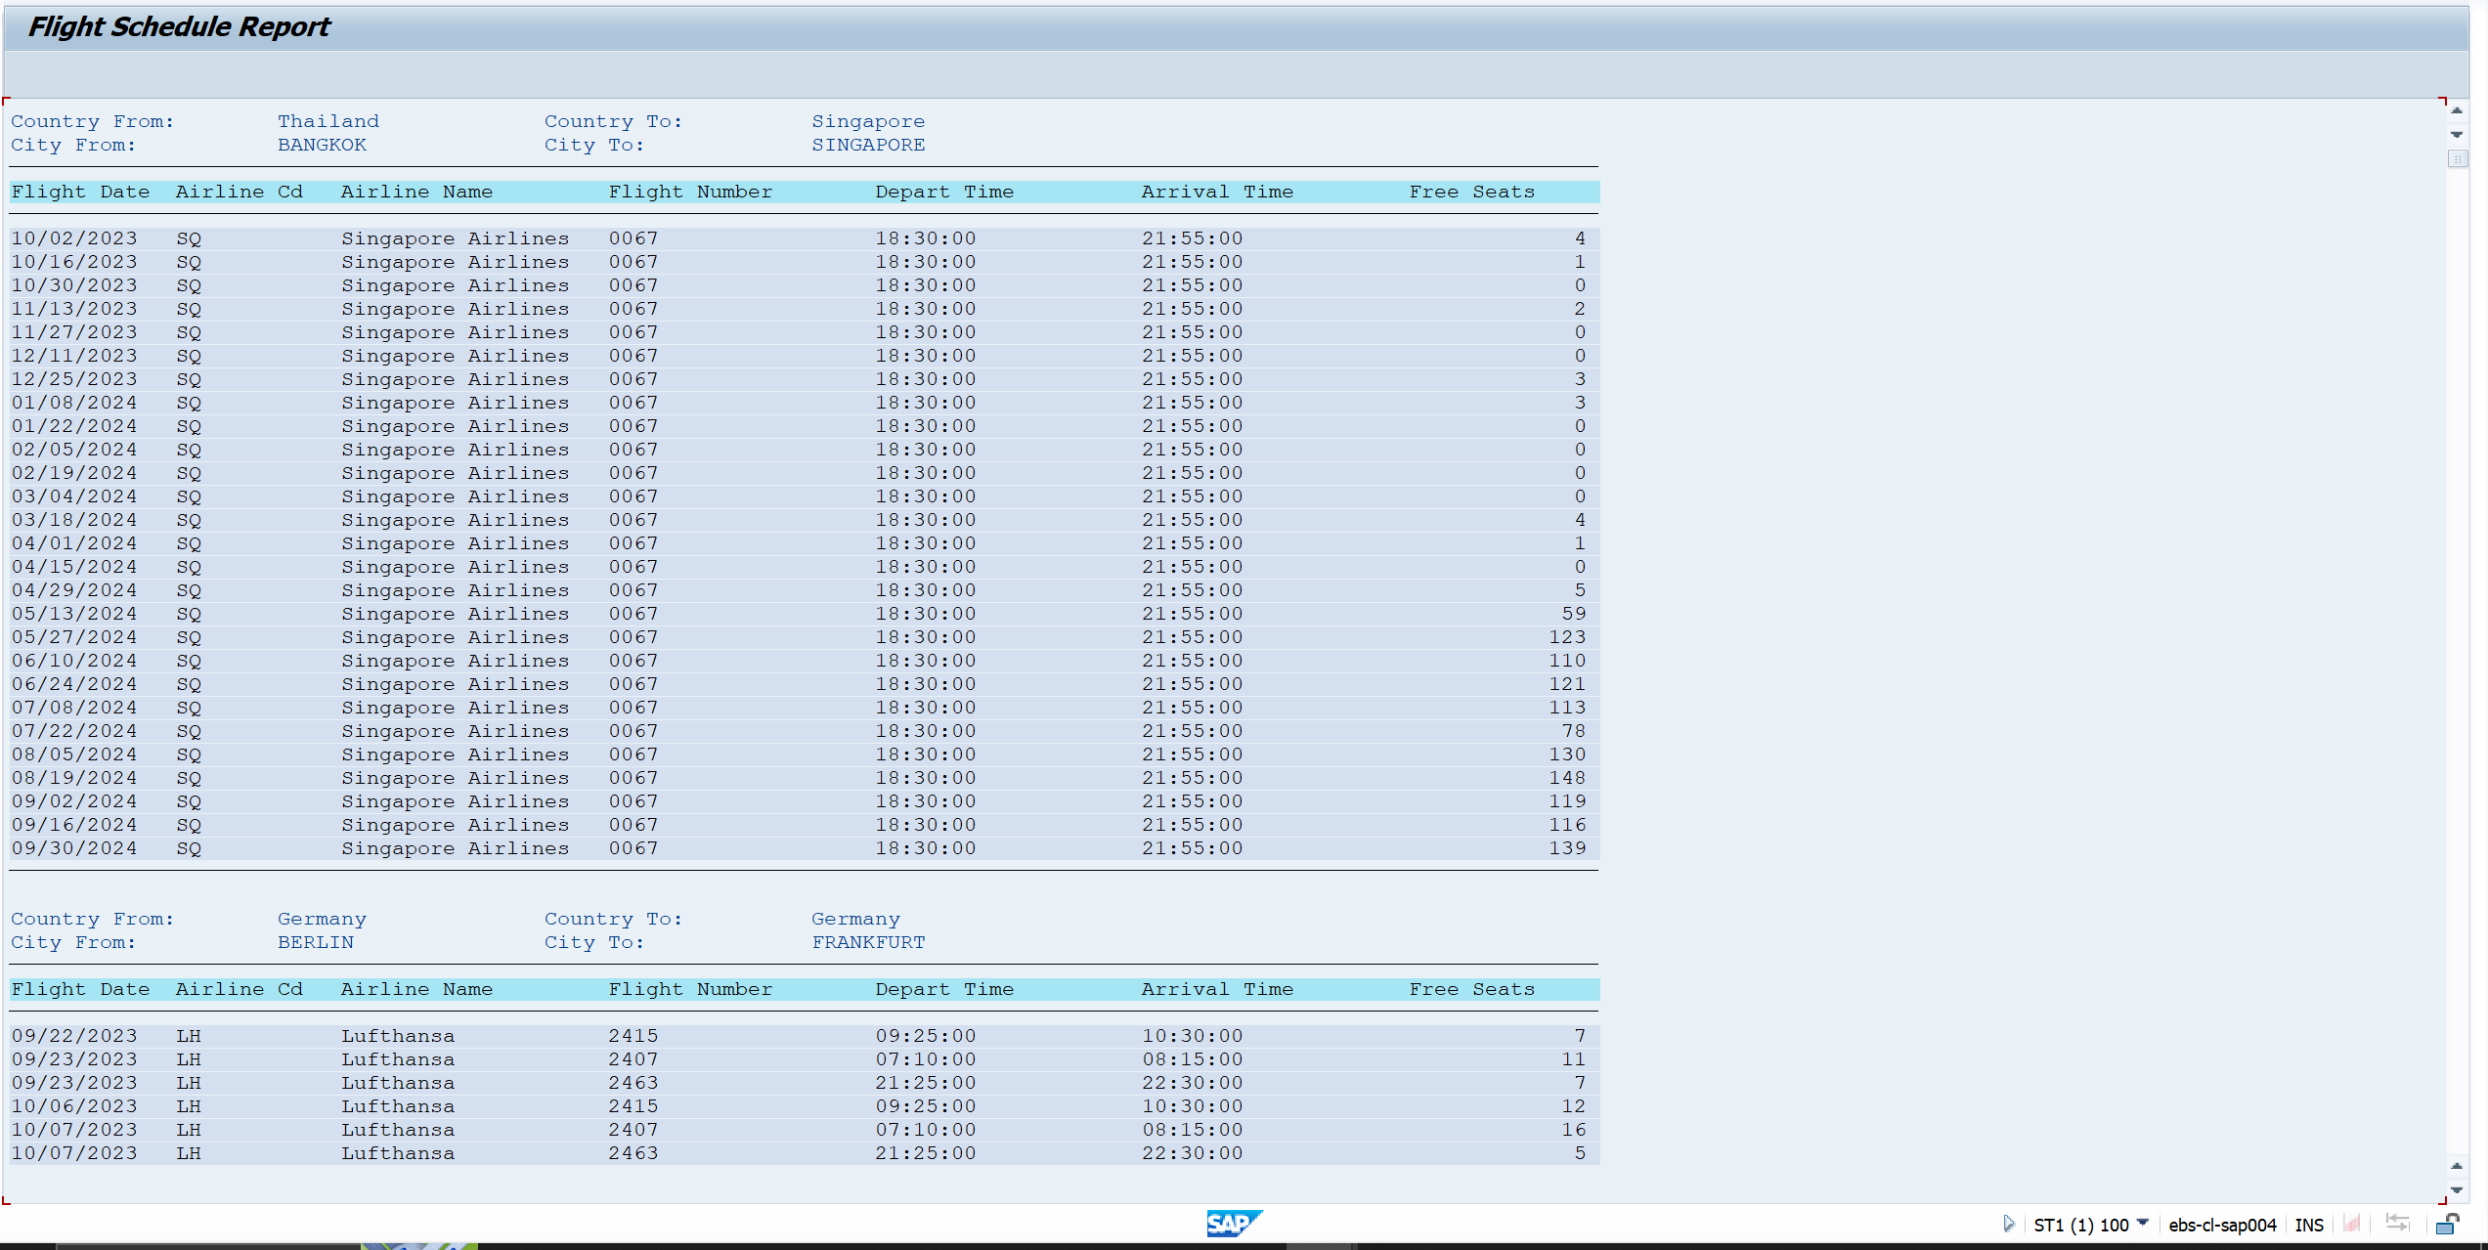
Exercise 2 |  | Program Name: |  | YANNP7_D06_EX02

 |  |  | <screenshot>

 |  |  | Case 1: Number of iterations = 4



 |  |  | Output



Exercise 3 |  | Program Name: |  | YANNP7_D06_EX03

 |  |  | <screeenshot>

 |  |  | Output
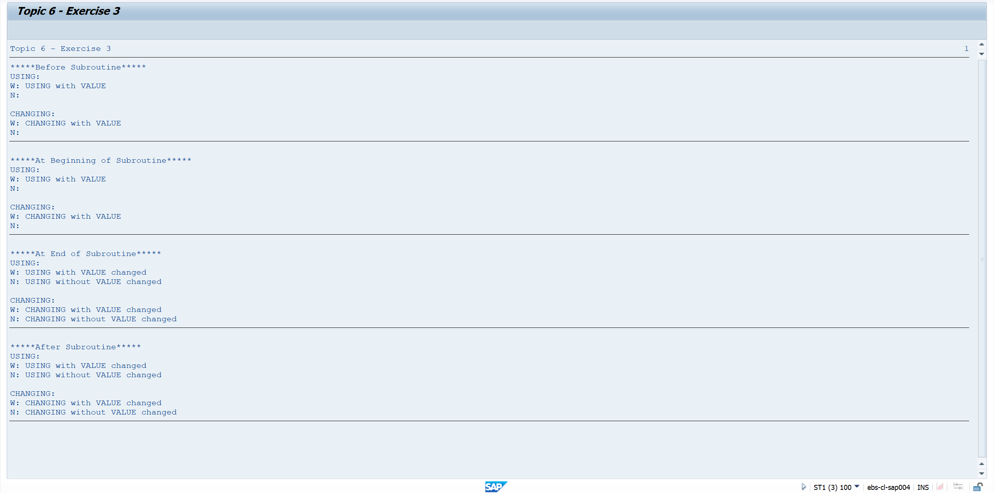

Exercise 4 |  | Program Name: |  | YANNP7_D06_EX04

 |  |  | <screenshot>

 |  |  | Output

